Sheet1
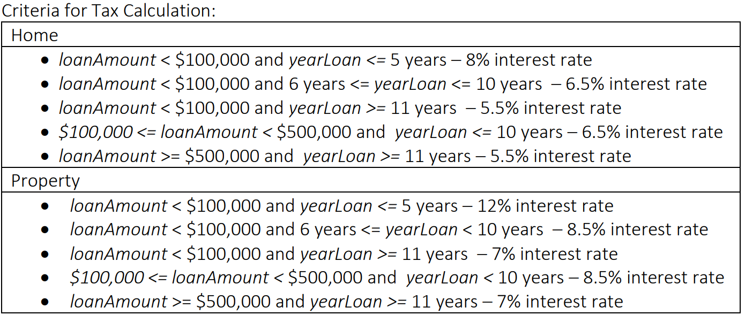
Test Case ID | Input |  |  | Expected Output | Remark | Test Resut (Pass/Fail)
 | loanAmount | yearLoan | loanType
1 | -1 | 2 | 1 | -1 | Lower Boundary Value | Pass
2 | 0 | 1 | 1 | -1 | Lower Boundary Value | Pass
3 | 1 | 2 | 1 | 0.16 | Lower Boundary Value | Pass
4 | 99999 | 4 | 1 | 31999.68 | Upper Boundary Value | Pass
5 | 100000 | 5 | 1 | 32500 | Upper Boundary Value | Pass
6 | 100001 | 2 | 1 | 13000.13 | Upper Boundary Value | Pass
7 | 57000 | 4 | 1 | 18240 | Valid EP | Pass
8 | 120000 | 9 | 1 | 70200 | Invalid EP | Pass
9 | -1 | 7 | 1 | -1 | Lower Boundary Value | Pass
10 | 0 | 8 | 1 | -1 | Lower Boundary Value | Pass
11 | 1 | 6 | 1 | 0.39 | Lower Boundary Value | Pass
12 | 99999 | 10 | 1 | 64999.35 | Upper Boundary Value | Pass
13 | 100000 | 9 | 1 | 58500 | Upper Boundary Value | Pass
14 | 100001 | 9 | 1 | 58500.59 | Upper Boundary Value | Pass
15 | 45000 | 7 | 1 | 20475 | Valid EP | Pass
16 | 160000 | 15 | 1 | 132000 | Invalid EP | Pass
17 | -1 | 12 | 1 | -1 | Lower Boundary Value | Pass
18 | 0 | 14 | 1 | -1 | Lower Boundary Value | Pass
19 | 1 | 11 | 1 | 0.61 | Lower Boundary Value | Pass
20 | 99999 | 13 | 1 | 71499.28 | Upper Boundary Value | Pass
21 | 100000 | 15 | 1 | 82500 | Upper Boundary Value | Pass
22 | 100001 | 14 | 1 | 77000.77 | Upper Boundary Value | Pass
23 | 85000 | 14 | 1 | 65450 | Valid EP | Pass
24 | 136000 | 4 | 1 | 35360 | Invalid EP | Pass
25 | 99999 | 8 | 1 | 51999.48 | Lower Boundary Value | Pass
26 | 100000 | 4 | 1 | 26000 | Lower Boundary Value | Pass
27 | 100001 | 7 | 1 | 45500.45 | Lower Boundary Value | Pass
28 | 499999 | 10 | 1 | 324999.34 | Upper Boundary Value | Pass
29 | 500000 | 9 | 1 | -1 | Upper Boundary Value | Pass
30 | 500001 | 8 | 1 | -1 | Upper Boundary Value | Pass
31 | 300000 | 9 | 1 | 175500 | Valid EP | Pass
32 | 45000 | 12 | 1 | 29700 | Invalid EP | Pass
33 | 499999 | 11 | 1 | 302499.41 | Upper Boundary Value | Pass
34 | 500000 | 13 | 1 | 357500 | Upper Boundary Value | Pass
35 | 500001 | 16 | 1 | 440000.88 | Upper Boundary Value | Pass
36 | 750000 | 21 | 1 | 866250 | Upper Extreme Boundary | Pass
37 | 600000 | 19 | 1 | 627000 | Valid EP | Pass
38 | 150000 | 9 | 1 | 87750 | Invalid EP | Pass
39 | -1 | 2 | 2 | -1 | Lower Boundary Value | Pass
40 | 0 | 4 | 2 | -1 | Lower Boundary Value | Pass
41 | 1 | 2 | 2 | 0.24 | Lower Boundary Value | Pass
42 | 99999 | 5 | 2 | 59999.4 | Upper Boundary Value | Pass
43 | 100000 | 3 | 2 | 25500 | Upper Boundary Value | Pass
44 | 100001 | 5 | 2 | 42500.43 | Upper Boundary Value | Pass
45 | 80000 | 4 | 2 | 38400 | Valid EP | Pass
46 | 130000 | 7 | 2 | 77350 | Invalid EP | Pass
47 | -1 | 7 | 2 | -1 | Lower Boundary Value | Pass
48 | 0 | 6 | 2 | -1 | Lower Boundary Value | Pass
49 | 1 | 9 | 2 | 0.76 | Lower Boundary Value | Pass
50 | 99999 | 10 | 2 | 84999.15 | Upper Boundary Value | Pass
51 | 100000 | 8 | 2 | 68000 | Upper Boundary Value | Pass
52 | 100001 | 8 | 2 | 68000.68 | Upper Boundary Value | Pass
53 | 40000 | 10 | 2 | 34000 | Valid EP | Pass
54 | 180000 | 12 | 2 | 151200 | Invalid EP | Pass
55 | -1 | 12 | 2 | -1 | Lower Boundary Value | Pass
56 | 0 | 11 | 2 | -1 | Lower Boundary Value | Pass
57 | 1 | 11 | 2 | 0.77 | Lower Boundary Value | Pass
58 | 99999 | 14 | 2 | 97999.02 | Upper Boundary Value | Pass
59 | 100000 | 17 | 2 | 119000 | Upper Boundary Value | Pass
60 | 100001 | 15 | 2 | 105001.05 | Upper Boundary Value | Pass
61 | 50000 | 18 | 2 | 63000 | Valid EP | Pass
62 | 200000 | 5 | 2 | 85000 | Invalid EP | Pass
63 | 99999 | 7 | 2 | 59499.41 | Lower Boundary Value | Pass
64 | 100000 | 8 | 2 | 68000 | Lower Boundary Value | Pass
65 | 100001 | 9 | 2 | 76500.77 | Lower Boundary Value | Pass
66 | 499999 | 6 | 2 | 254999.48 | Upper Boundary Value | Pass
67 | 500000 | 6 | 2 | -1 | Upper Boundary Value | Pass
68 | 500001 | 7 | 2 | -1 | Upper Boundary Value | Pass
69 | 230000 | 9 | 2 | 175950 | Valid EP | Pass
70 | 600000 | 13 | 2 | 546000 | Invalid EP | Pass
71 | 499999 | 12 | 2 | 419999.16 | Upper Boundary Value | Pass
72 | 500000 | 11 | 2 | 385000 | Upper Boundary Value | Pass
73 | 500001 | 15 | 2 | 525001.06 | Upper Boundary Value | Pass
74 | 750000 | 13 | 2 | 682500 | Upper Boundary Value | Pass
75 | 600000 | 17 | 2 | 714000 | Valid EP | Pass
76 | 150000 | 6 | 2 | 76500 | Invalid EP | Pass

